Home
Analysis report by LicenseAudit

This report is the outcome of the script analysis based on the data which was uploaded on www.licenseaudit.com

Creation date: | Thursday, 02 September 2021
Report name: | LicenseAudit Report

Navigation | The report is grouped in multiple sections for different disciplines. Each section has a different sheet color.

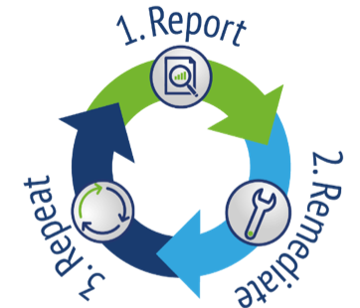
1. Report | Simulate an audit to create your Effective License Position (ELP), identifying any risks and optimization opportunities.

2. Remediate | Improve your compliance position. Mitigate any issues and opportunities as identified in the report with your internal IT teams.

3. Repeat | Never fear an Oracle audit by ensuring compliance.

About | License Audit BV was initiated by former Oracle LMS auditors with decades of experience in creating Effective License Positions. It is an end-to-end solution providing audit scripts and collection tools, resulting in a granular report identifying licensing risks and opportunities.

Disclaimer | This report was generated on a best-effort basis, and is solely based on the information you have provided. License Audit and Partners using this information for Oracle clients are not responsible for any omissions, incomplete uploads or inaccuracies in this report.

